country_movement
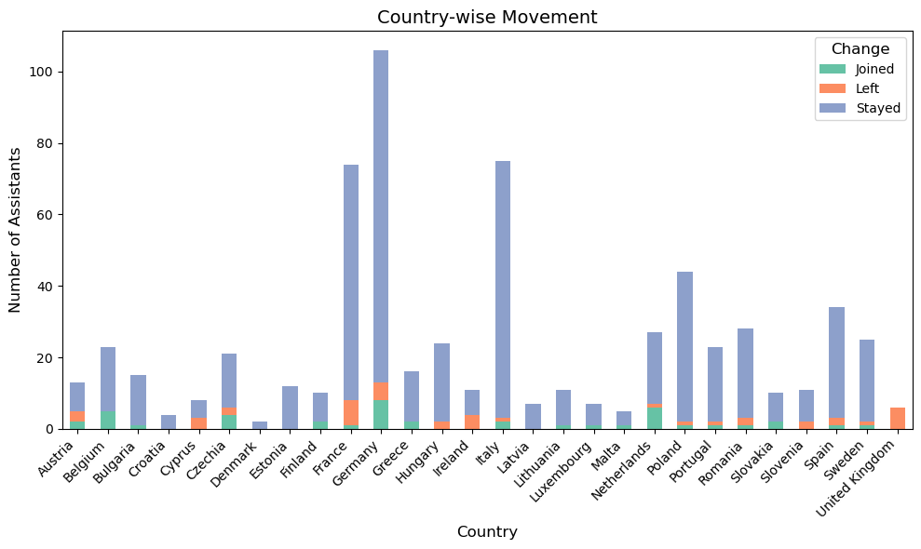

mep_movement
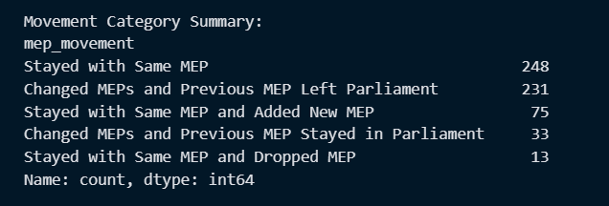
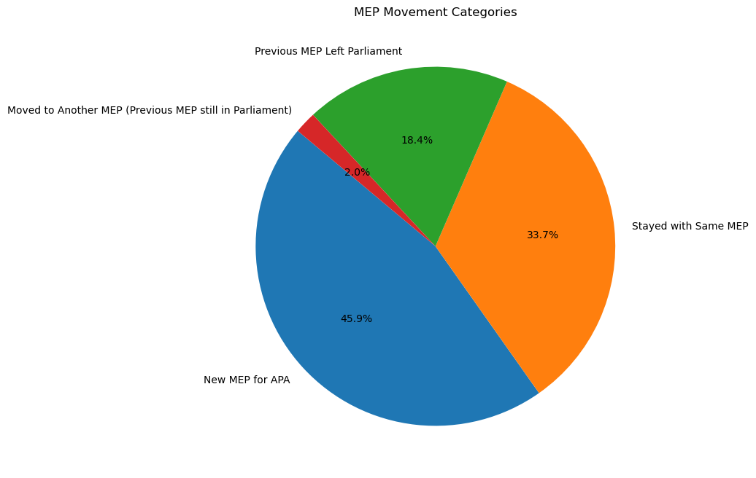

** could need more verifying
Case 2b Matches (Moved to Another MEP, Previous MEP still in Parliament): | Category Summary:
Assistant: Adam MOUCHTAR, MEP: Engin EROGLU | category
Assistant: Alexandra PETALOTI, MEP: Nikos PAPANDREOU | New MEP for APA 1075
Assistant: Alexandra PIEL, MEP: Nicolas BAY | Stayed with Same MEP 790
Assistant: Anne PLOEGER, MEP: Hildegard BENTELE | Previous MEP Left Parliament 432
Assistant: Anthony Gerard Sofiane BREFEL, MEP: André ROUGÉ | Moved to Another MEP (Previous MEP still in Parliament) 46
Assistant: Antonios KOSSYVAKIS, MEP: Jonás FERNÁNDEZ
Assistant: Antonios KOSSYVAKIS, MEP: Nikos PAPANDREOU
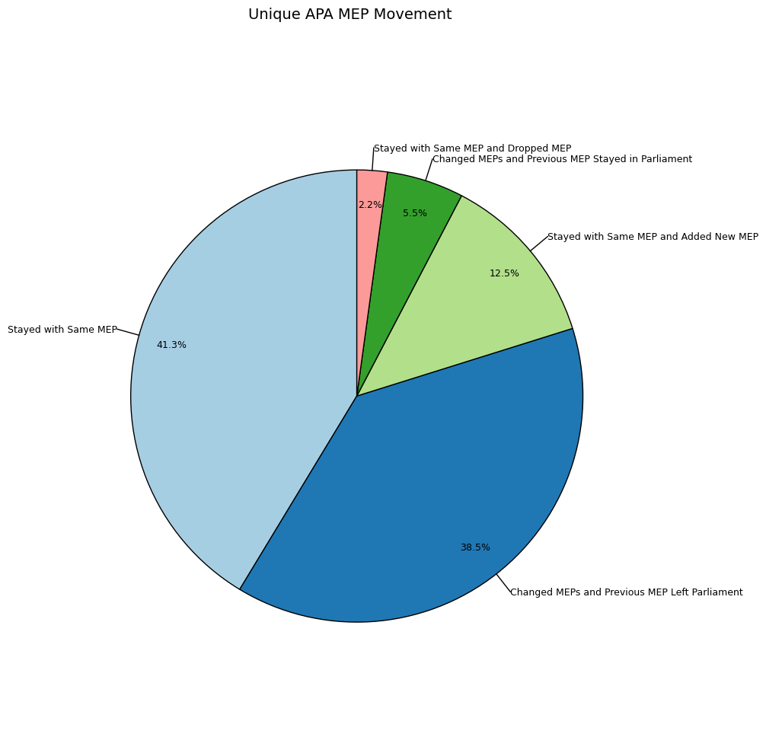
Assistant: Arthur VAN ANGEREN, MEP: Virginie JORON
Assistant: Beata KRAWIEC, MEP: Łukasz KOHUT
Assistant: Beata Katarzyna SOBKIEWICZ, MEP: Bogdan RZOŃCA
Assistant: Beata Roza BORKOWSKA, MEP: Łukasz KOHUT
Assistant: Bénédicte VAN DEN BERG, MEP: Olivier CHASTEL
Assistant: Carla MARCHIONNA, MEP: Caterina CHINNICI
Assistant: Carmen DINU, MEP: Claudiu MANDA
Assistant: Charles Marie Francis Gilles DE MEYER, MEP: Thierry MARIANI
Assistant: Chloe BERTHON, MEP: Aurore LALUCQ
Assistant: Clara SCHROEDER, MEP: Michael BLOSS
Assistant: Claudia Gerda HOFFMANN, MEP: Christian EHLER
Assistant: Cristina NEGOIESCU, MEP: Eugen TOMAC
Assistant: Daniel PAWLOWIEC, MEP: Dominik TARCZYŃSKI
Assistant: Davide ZOGGIA, MEP: Brando BENIFEI
Assistant: Emilio PUCCIO, MEP: Laurence FARRENG
Assistant: Emilio PUCCIO, MEP: Saskia BRICMONT
Assistant: Francesco Paolo NARDACCHIONE, MEP: Sergio BERLATO
Assistant: Hauke HOFFMANN, MEP: Niclas HERBST
Assistant: Hauke HOFFMANN, MEP: Norbert LINS
Assistant: Hauke HOFFMANN, MEP: Axel VOSS
Assistant: Hauke HOFFMANN, MEP: Jens GIESEKE
Assistant: Hedvika VURBALOVA, MEP: Alexandr VONDRA
Assistant: Justine KUBERA, MEP: Ondřej KNOTEK
Assistant: Justyna BIELEJEC, MEP: Krzysztof HETMAN
Assistant: MIRKO CASAGRANDE, MEP: Elisabetta GUALMINI
Assistant: Maximilien DUFOUR, MEP: Jean-Paul GARRAUD
Assistant: Patrik SRBA, MEP: Ondřej KNOTEK
Assistant: Pinelopi GAVRA, MEP: Vangelis MEIMARAKIS
Assistant: Przemyslaw Stanislaw KILIAN, MEP: Patryk JAKI
Assistant: Roberto CUILLO, MEP: Brando BENIFEI
Assistant: Roberto CUILLO, MEP: Alessandra MORETTI
Assistant: Roberto CUILLO, MEP: Irene TINAGLI
Assistant: Roberto CUILLO, MEP: Caterina CHINNICI
Assistant: Sixtine Marie Louise DUFAY, MEP: Nathalie LOISEAU
Assistant: Stanislav Georgiev KOTSILKOV, MEP: Tsvetelina PENKOVA
Assistant: Stanislav Georgiev KOTSILKOV, MEP: Elena YONCHEVA
Assistant: Stephanie BOON, MEP: Aurore LALUCQ
Assistant: Torlach Richard GRANT, MEP: Maria WALSH
Assistant: Viriana ROSATO, MEP: Denis NESCI

faction_movement
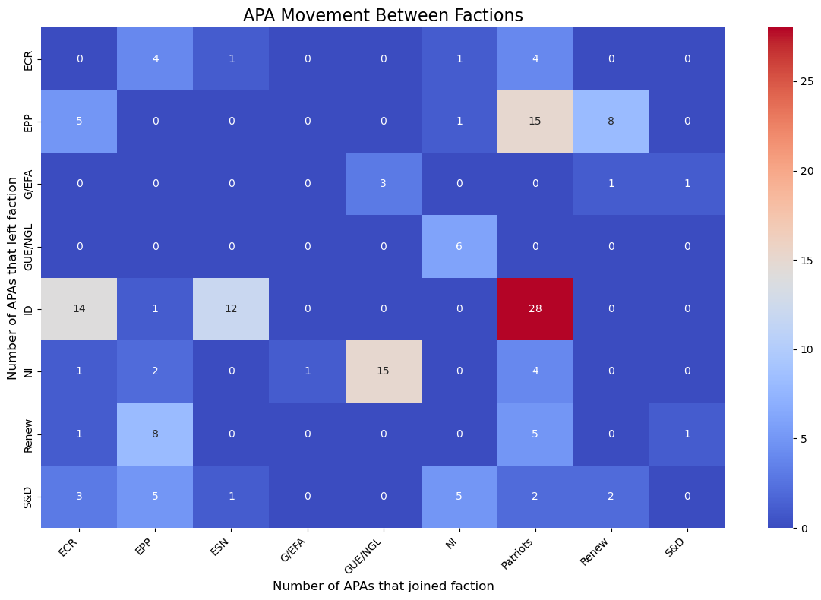
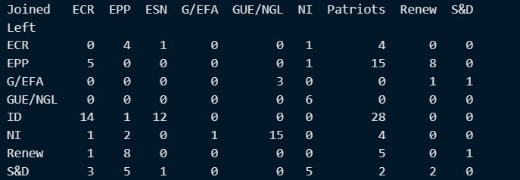
I HAVE STRUGGLED TO VERIFY THESE , this is only for all apas

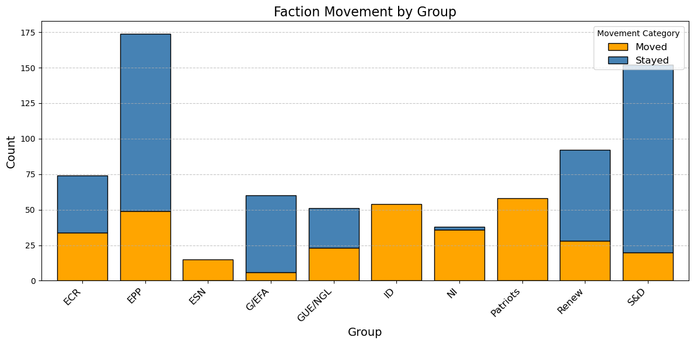

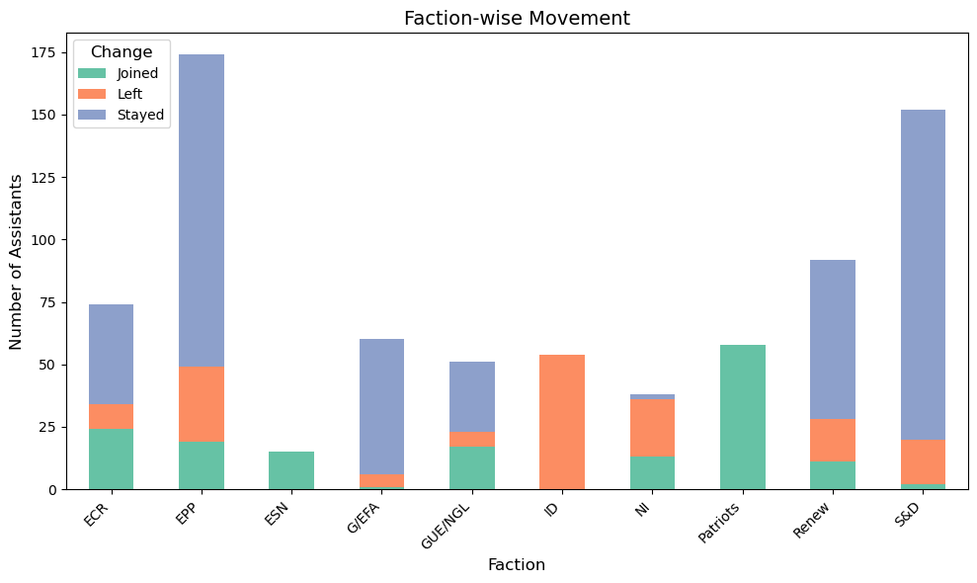

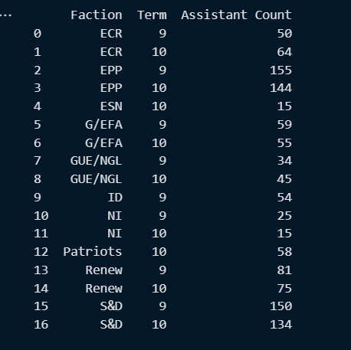
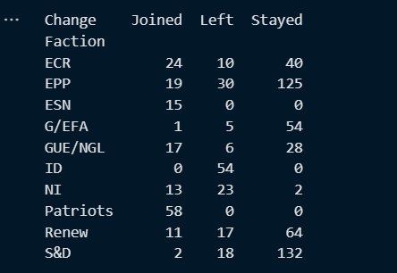

Assistants who left a faction but did not join a new one: Adam MOUCHTAR Jeremie HABIG Ulla Helena GROENLUND

party_movement
